Step 1.2
IC vs. VCC of a Crrent Sink
VCC | IC | VE | Ro
Volts | Amps | Volts | Ohm
-3.9 | 1.083E-04 | -3.98E+00 | 7.60E+03
-3.6 | 1.477E-04 | -3.73E+00 | 9.64E+03
-3.3 | 1.788E-04 | -3.53E+00 | 5.02E+04
-3 | 1.848E-04 | -3.49E+00 | 7.19E+06
-2.7 | 1.848E-04 | -3.49E+00 | 7.50E+07
-2.4 | 1.848E-04 | -3.49E+00 | 7.50E+07
-2.1 | 1.849E-04 | -3.49E+00 | 7.69E+07
-1.8 | 1.849E-04 | -3.49E+00 | 7.50E+07
-1.5 | 1.849E-04 | -3.49E+00 | 7.69E+07
-1.2 | 1.849E-04 | -3.49E+00 | 7.69E+07
-0.9 | 1.849E-04 | -3.49E+00 | 7.69E+07
-0.6 | 1.849E-04 | -3.49E+00 | -3.25E+03

Step 1.6
V-sweep | v(vo) | i(cp_q2.1)
Volts | Volts | Amps
4.39E+00 | 4.94E+00 | -1.85E-04
4.39E+00 | 4.94E+00 | -1.85E-04
Vo VS Vsig
4.39 | 4.940292
4.3901 | 4.939878
4.3902 | 4.939457
4.3903 | 4.939034
4.3904 | 4.938606
4.3905 | 4.938174
4.3906 | 4.937737
4.3907 | 4.937296
4.3908 | 4.93685
4.3909 | 4.936399
4.391 | 4.935942
4.3911 | 4.935481
4.3912 | 4.935014
4.3913 | 4.934542
4.3914 | 4.934064
4.3915 | 4.933581
4.3916 | 4.933092
4.3917 | 4.932597
4.3918 | 4.932096
4.3919 | 4.931589
4.392 | 4.931076
4.3921 | 4.930556
4.3922 | 4.930029
4.3923 | 4.929496
4.3924 | 4.928956
4.3925 | 4.928409
4.3926 | 4.927855
4.3927 | 4.927293
4.3928 | 4.926723
4.3929 | 4.926146
4.393 | 4.92556
4.3931 | 4.924967
4.3932 | 4.924365
4.3933 | 4.923754
4.3934 | 4.923134
4.3935 | 4.922505
4.3936 | 4.921866
4.3937 | 4.921218
4.3938 | 4.92056
4.3939 | 4.919891
4.394 | 4.919212
4.3941 | 4.918521
4.3942 | 4.91782
4.3943 | 4.917107
4.3944 | 4.916381
4.3945 | 4.915644
4.3946 | 4.914893
4.3947 | 4.914129
4.3948 | 4.913352
4.3949 | 4.91256
...
4.39E+00 | 4.94E+00 | -1.85E-04
4.39E+00 | 4.94E+00 | -1.85E-04
4.39E+00 | 4.94E+00 | -1.85E-04
4.39E+00 | 4.94E+00 | -1.85E-04
4.39E+00 | 4.94E+00 | -1.85E-04
4.39E+00 | 4.94E+00 | -1.85E-04
4.39E+00 | 4.94E+00 | -1.85E-04
4.39E+00 | 4.94E+00 | -1.85E-04
4.39E+00 | 4.94E+00 | -1.85E-04
4.39E+00 | 4.94E+00 | -1.85E-04
4.39E+00 | 4.94E+00 | -1.85E-04
4.39E+00 | 4.93E+00 | -1.85E-04
4.39E+00 | 4.93E+00 | -1.85E-04
4.39E+00 | 4.93E+00 | -1.85E-04
4.39E+00 | 4.93E+00 | -1.85E-04
4.39E+00 | 4.93E+00 | -1.85E-04
4.39E+00 | 4.93E+00 | -1.85E-04
4.39E+00 | 4.93E+00 | -1.85E-04
4.39E+00 | 4.93E+00 | -1.85E-04
4.39E+00 | 4.93E+00 | -1.85E-04
4.39E+00 | 4.93E+00 | -1.85E-04
4.39E+00 | 4.93E+00 | -1.85E-04
4.39E+00 | 4.93E+00 | -1.85E-04
4.39E+00 | 4.93E+00 | -1.85E-04
4.39E+00 | 4.93E+00 | -1.85E-04
4.39E+00 | 4.93E+00 | -1.85E-04
4.39E+00 | 4.93E+00 | -1.85E-04
4.39E+00 | 4.93E+00 | -1.85E-04
4.39E+00 | 4.93E+00 | -1.85E-04
4.39E+00 | 4.92E+00 | -1.85E-04
4.39E+00 | 4.92E+00 | -1.85E-04
4.39E+00 | 4.92E+00 | -1.85E-04
4.39E+00 | 4.92E+00 | -1.85E-04
4.39E+00 | 4.92E+00 | -1.85E-04
4.39E+00 | 4.92E+00 | -1.85E-04
4.39E+00 | 4.92E+00 | -1.85E-04
4.39E+00 | 4.92E+00 | -1.85E-04
4.39E+00 | 4.92E+00 | -1.85E-04
4.39E+00 | 4.92E+00 | -1.85E-04
4.39E+00 | 4.92E+00 | -1.85E-04
4.39E+00 | 4.92E+00 | -1.85E-04
4.39E+00 | 4.92E+00 | -1.85E-04
4.39E+00 | 4.92E+00 | -1.85E-04
4.39E+00 | 4.92E+00 | -1.85E-04
4.39E+00 | 4.91E+00 | -1.85E-04
4.39E+00 | 4.91E+00 | -1.85E-04
4.39E+00 | 4.91E+00 | -1.85E-04
4.39E+00 | 4.91E+00 | -1.85E-04
4.39E+00 | 4.91E+00 | -1.85E-04
4.40E+00 | 4.91E+00 | -1.85E-04
4.40E+00 | 4.91E+00 | -1.85E-04
4.40E+00 | 4.91E+00 | -1.85E-04
4.40E+00 | 4.91E+00 | -1.85E-04
4.40E+00 | 4.91E+00 | -1.85E-04
4.40E+00 | 4.91E+00 | -1.85E-04
4.40E+00 | 4.91E+00 | -1.85E-04
4.40E+00 | 4.90E+00 | -1.85E-04
4.40E+00 | 4.90E+00 | -1.85E-04
4.40E+00 | 4.90E+00 | -1.85E-04
4.40E+00 | 4.90E+00 | -1.85E-04
4.40E+00 | 4.90E+00 | -1.85E-04
4.40E+00 | 4.90E+00 | -1.85E-04
4.40E+00 | 4.90E+00 | -1.85E-04
4.40E+00 | 4.90E+00 | -1.85E-04
4.40E+00 | 4.90E+00 | -1.85E-04
4.40E+00 | 4.90E+00 | -1.85E-04
4.40E+00 | 4.89E+00 | -1.85E-04
4.40E+00 | 4.89E+00 | -1.85E-04
4.40E+00 | 4.89E+00 | -1.85E-04
4.40E+00 | 4.89E+00 | -1.85E-04
4.40E+00 | 4.89E+00 | -1.85E-04
4.40E+00 | 4.89E+00 | -1.85E-04
4.40E+00 | 4.89E+00 | -1.85E-04
4.40E+00 | 4.88E+00 | -1.85E-04
4.40E+00 | 4.88E+00 | -1.85E-04
4.40E+00 | 4.88E+00 | -1.85E-04
4.40E+00 | 4.88E+00 | -1.85E-04
4.40E+00 | 4.88E+00 | -1.85E-04
4.40E+00 | 4.88E+00 | -1.85E-04
4.40E+00 | 4.87E+00 | -1.85E-04
4.40E+00 | 4.87E+00 | -1.85E-04
4.40E+00 | 4.87E+00 | -1.85E-04
4.40E+00 | 4.87E+00 | -1.85E-04
4.40E+00 | 4.87E+00 | -1.85E-04
4.40E+00 | 4.86E+00 | -1.85E-04
4.40E+00 | 4.86E+00 | -1.85E-04
4.40E+00 | 4.86E+00 | -1.85E-04
4.40E+00 | 4.86E+00 | -1.85E-04
4.40E+00 | 4.85E+00 | -1.85E-04
4.40E+00 | 4.85E+00 | -1.85E-04
4.40E+00 | 4.85E+00 | -1.85E-04
4.40E+00 | 4.84E+00 | -1.85E-04
4.40E+00 | 4.84E+00 | -1.85E-04
4.40E+00 | 4.84E+00 | -1.85E-04
4.40E+00 | 4.83E+00 | -1.85E-04
4.40E+00 | 4.83E+00 | -1.85E-04
4.40E+00 | 4.82E+00 | -1.85E-04
4.40E+00 | 4.81E+00 | -1.85E-04
4.40E+00 | 4.81E+00 | -1.85E-04
4.40E+00 | 4.80E+00 | -1.85E-04
4.40E+00 | 4.79E+00 | -1.85E-04
4.40E+00 | 4.78E+00 | -1.85E-04
4.40E+00 | 4.76E+00 | -1.85E-04
4.40E+00 | 4.73E+00 | -1.85E-04
4.40E+00 | 4.68E+00 | -1.85E-04
4.40E+00 | 4.44E+00 | -1.85E-04
4.40E+00 | 4.05E+00 | -1.85E-04
4.40E+00 | 3.65E+00 | -1.85E-04
4.40E+00 | 3.26E+00 | -1.85E-04
4.40E+00 | 2.86E+00 | -1.85E-04
4.40E+00 | 2.46E+00 | -1.85E-04
4.40E+00 | 2.06E+00 | -1.85E-04
4.40E+00 | 1.66E+00 | -1.85E-04
4.40E+00 | 1.26E+00 | -1.85E-04
4.40E+00 | 8.61E-01 | -1.85E-04
4.40E+00 | 4.58E-01 | -1.85E-04
4.40E+00 | 5.35E-02 | -1.85E-04
4.40E+00 | -3.52E-01 | -1.85E-04
4.40E+00 | -7.59E-01 | -1.85E-04
4.40E+00 | -1.17E+00 | -1.85E-04
4.40E+00 | -1.58E+00 | -1.85E-04
4.40E+00 | -1.99E+00 | -1.85E-04
4.40E+00 | -2.40E+00 | -1.85E-04
4.40E+00 | -2.81E+00 | -1.85E-04
4.40E+00 | -3.08E+00 | -1.85E-04
4.40E+00 | -3.15E+00 | -1.84E-04
4.40E+00 | -3.18E+00 | -1.84E-04
4.40E+00 | -3.20E+00 | -1.83E-04
4.40E+00 | -3.22E+00 | -1.83E-04
4.40E+00 | -3.23E+00 | -1.82E-04
4.40E+00 | -3.25E+00 | -1.82E-04
4.40E+00 | -3.26E+00 | -1.81E-04
4.40E+00 | -3.27E+00 | -1.81E-04
4.40E+00 | -3.28E+00 | -1.80E-04
4.40E+00 | -3.29E+00 | -1.80E-04
4.40E+00 | -3.29E+00 | -1.79E-04
4.40E+00 | -3.30E+00 | -1.79E-04
4.40E+00 | -3.31E+00 | -1.78E-04
4.40E+00 | -3.32E+00 | -1.78E-04
4.40E+00 | -3.32E+00 | -1.77E-04
4.40E+00 | -3.33E+00 | -1.77E-04
4.40E+00 | -3.33E+00 | -1.76E-04
4.40E+00 | -3.34E+00 | -1.76E-04
4.40E+00 | -3.35E+00 | -1.75E-04
4.40E+00 | -3.35E+00 | -1.75E-04
4.40E+00 | -3.36E+00 | -1.74E-04
4.40E+00 | -3.36E+00 | -1.74E-04
4.40E+00 | -3.37E+00 | -1.73E-04
4.40E+00 | -3.37E+00 | -1.73E-04
4.41E+00 | -3.38E+00 | -1.72E-04
4.41E+00 | -3.38E+00 | -1.72E-04
4.41E+00 | -3.39E+00 | -1.71E-04
4.41E+00 | -3.40E+00 | -1.71E-04
4.41E+00 | -3.40E+00 | -1.71E-04
4.41E+00 | -3.40E+00 | -1.70E-04
4.41E+00 | -3.41E+00 | -1.70E-04
4.41E+00 | -3.41E+00 | -1.69E-04
4.41E+00 | -3.42E+00 | -1.69E-04
4.41E+00 | -3.42E+00 | -1.68E-04
4.41E+00 | -3.43E+00 | -1.68E-04
4.41E+00 | -3.43E+00 | -1.67E-04
4.41E+00 | -3.44E+00 | -1.67E-04
4.41E+00 | -3.44E+00 | -1.66E-04
4.41E+00 | -3.45E+00 | -1.66E-04
4.41E+00 | -3.45E+00 | -1.65E-04
4.41E+00 | -3.45E+00 | -1.65E-04
4.41E+00 | -3.46E+00 | -1.64E-04
4.41E+00 | -3.46E+00 | -1.64E-04
4.41E+00 | -3.47E+00 | -1.63E-04
4.41E+00 | -3.47E+00 | -1.63E-04
4.41E+00 | -3.47E+00 | -1.63E-04
4.41E+00 | -3.48E+00 | -1.62E-04
4.41E+00 | -3.48E+00 | -1.62E-04
4.41E+00 | -3.49E+00 | -1.61E-04
4.41E+00 | -3.49E+00 | -1.61E-04
4.41E+00 | -3.49E+00 | -1.60E-04
4.41E+00 | -3.50E+00 | -1.60E-04
4.41E+00 | -3.50E+00 | -1.59E-04
4.41E+00 | -3.51E+00 | -1.59E-04
4.41E+00 | -3.51E+00 | -1.59E-04
4.41E+00 | -3.51E+00 | -1.58E-04
4.41E+00 | -3.52E+00 | -1.58E-04
4.41E+00 | -3.52E+00 | -1.57E-04
4.41E+00 | -3.53E+00 | -1.57E-04
4.41E+00 | -3.53E+00 | -1.56E-04
4.41E+00 | -3.53E+00 | -1.56E-04
4.41E+00 | -3.54E+00 | -1.55E-04
4.41E+00 | -3.54E+00 | -1.55E-04
4.41E+00 | -3.54E+00 | -1.55E-04
4.41E+00 | -3.55E+00 | -1.54E-04
4.41E+00 | -3.55E+00 | -1.54E-04
4.41E+00 | -3.55E+00 | -1.53E-04
4.41E+00 | -3.56E+00 | -1.53E-04
4.41E+00 | -3.56E+00 | -1.52E-04
4.41E+00 | -3.57E+00 | -1.52E-04
4.41E+00 | -3.57E+00 | -1.52E-04
4.41E+00 | -3.57E+00 | -1.51E-04
4.41E+00 | -3.58E+00 | -1.51E-04
4.41E+00 | -3.58E+00 | -1.50E-04

Step 1.7
Magnitude of Vo
Frequency | vm(vo) | ph(v(vo))
Hz | Volts | deg
1.00E+02 | 4.05E+00 | 1.80E+02
1.02E+02 | 4.05E+00 | 1.80E+02
1.05E+02 | 4.05E+00 | 1.80E+02
1.07E+02 | 4.05E+00 | 1.80E+02
1.10E+02 | 4.05E+00 | 1.80E+02
1.12E+02 | 4.05E+00 | 1.80E+02
1.15E+02 | 4.05E+00 | 1.80E+02
1.17E+02 | 4.05E+00 | 1.80E+02
1.20E+02 | 4.05E+00 | 1.80E+02
1.23E+02 | 4.05E+00 | 1.80E+02
1.26E+02 | 4.05E+00 | 1.79E+02
1.29E+02 | 4.05E+00 | 1.79E+02
1.31E+02 | 4.05E+00 | 1.79E+02
1.34E+02 | 4.05E+00 | 1.79E+02
1.38E+02 | 4.05E+00 | 1.79E+02
1.41E+02 | 4.05E+00 | 1.79E+02
1.44E+02 | 4.05E+00 | 1.79E+02
Phase of Vo
1.47E+02 | 4.05E+00 | 1.79E+02
1.51E+02 | 4.05E+00 | 1.79E+02
1.54E+02 | 4.05E+00 | 1.79E+02
1.58E+02 | 4.05E+00 | 1.79E+02
1.61E+02 | 4.05E+00 | 1.79E+02
1.65E+02 | 4.05E+00 | 1.79E+02
1.69E+02 | 4.05E+00 | 1.79E+02
1.73E+02 | 4.05E+00 | 1.79E+02
1.77E+02 | 4.05E+00 | 1.79E+02
1.81E+02 | 4.05E+00 | 1.79E+02
1.85E+02 | 4.05E+00 | 1.79E+02
1.89E+02 | 4.05E+00 | 1.79E+02
1.94E+02 | 4.05E+00 | 1.79E+02
1.98E+02 | 4.05E+00 | 1.79E+02
2.03E+02 | 4.05E+00 | 1.79E+02
2.07E+02 | 4.05E+00 | 1.79E+02
2.12E+02 | 4.05E+00 | 1.79E+02
2.17E+02 | 4.05E+00 | 1.79E+02
2.22E+02 | 4.05E+00 | 1.79E+02
2.27E+02 | 4.05E+00 | 1.79E+02
2.32E+02 | 4.05E+00 | 1.79E+02
2.38E+02 | 4.05E+00 | 1.79E+02
2.43E+02 | 4.05E+00 | 1.79E+02
2.49E+02 | 4.05E+00 | 1.79E+02
2.55E+02 | 4.05E+00 | 1.79E+02
2.61E+02 | 4.05E+00 | 1.79E+02
2.67E+02 | 4.05E+00 | 1.79E+02
2.73E+02 | 4.05E+00 | 1.79E+02
2.79E+02 | 4.05E+00 | 1.79E+02
2.85E+02 | 4.05E+00 | 1.79E+02
2.92E+02 | 4.05E+00 | 1.79E+02
2.99E+02 | 4.05E+00 | 1.79E+02
3.06E+02 | 4.05E+00 | 1.79E+02
3.13E+02 | 4.05E+00 | 1.79E+02
3.20E+02 | 4.05E+00 | 1.79E+02
3.27E+02 | 4.05E+00 | 1.79E+02
3.35E+02 | 4.05E+00 | 1.79E+02
3.42E+02 | 4.05E+00 | 1.79E+02
3.50E+02 | 4.05E+00 | 1.79E+02
3.58E+02 | 4.05E+00 | 1.79E+02
3.67E+02 | 4.05E+00 | 1.79E+02
3.75E+02 | 4.05E+00 | 1.78E+02
3.84E+02 | 4.05E+00 | 1.78E+02
3.93E+02 | 4.05E+00 | 1.78E+02
4.02E+02 | 4.05E+00 | 1.78E+02
4.11E+02 | 4.05E+00 | 1.78E+02
4.20E+02 | 4.05E+00 | 1.78E+02
4.30E+02 | 4.05E+00 | 1.78E+02
4.40E+02 | 4.05E+00 | 1.78E+02
4.50E+02 | 4.05E+00 | 1.78E+02
4.61E+02 | 4.05E+00 | 1.78E+02
4.71E+02 | 4.05E+00 | 1.78E+02
4.82E+02 | 4.05E+00 | 1.78E+02
4.93E+02 | 4.05E+00 | 1.78E+02
5.05E+02 | 4.05E+00 | 1.78E+02
5.16E+02 | 4.05E+00 | 1.78E+02
5.28E+02 | 4.05E+00 | 1.78E+02
5.40E+02 | 4.05E+00 | 1.78E+02
5.53E+02 | 4.05E+00 | 1.78E+02
5.66E+02 | 4.05E+00 | 1.78E+02
5.79E+02 | 4.05E+00 | 1.78E+02
5.92E+02 | 4.05E+00 | 1.78E+02
6.06E+02 | 4.05E+00 | 1.78E+02
6.20E+02 | 4.05E+00 | 1.77E+02
6.34E+02 | 4.05E+00 | 1.77E+02
6.48E+02 | 4.05E+00 | 1.77E+02
6.63E+02 | 4.05E+00 | 1.77E+02
6.79E+02 | 4.05E+00 | 1.77E+02
6.94E+02 | 4.04E+00 | 1.77E+02
7.10E+02 | 4.04E+00 | 1.77E+02
7.27E+02 | 4.04E+00 | 1.77E+02
7.44E+02 | 4.04E+00 | 1.77E+02
7.61E+02 | 4.04E+00 | 1.77E+02
7.78E+02 | 4.04E+00 | 1.77E+02
7.96E+02 | 4.04E+00 | 1.77E+02
8.15E+02 | 4.04E+00 | 1.77E+02
8.33E+02 | 4.04E+00 | 1.77E+02
8.52E+02 | 4.04E+00 | 1.77E+02
8.72E+02 | 4.04E+00 | 1.76E+02
8.92E+02 | 4.04E+00 | 1.76E+02
9.13E+02 | 4.04E+00 | 1.76E+02
9.34E+02 | 4.04E+00 | 1.76E+02
9.55E+02 | 4.04E+00 | 1.76E+02
9.77E+02 | 4.04E+00 | 1.76E+02
1.00E+03 | 4.03E+00 | 1.76E+02
1.02E+03 | 4.03E+00 | 1.76E+02
1.05E+03 | 4.03E+00 | 1.76E+02
1.07E+03 | 4.03E+00 | 1.76E+02
1.10E+03 | 4.03E+00 | 1.76E+02
1.12E+03 | 4.03E+00 | 1.75E+02
1.15E+03 | 4.03E+00 | 1.75E+02
1.17E+03 | 4.03E+00 | 1.75E+02
1.20E+03 | 4.03E+00 | 1.75E+02
1.23E+03 | 4.02E+00 | 1.75E+02
1.26E+03 | 4.02E+00 | 1.75E+02
1.29E+03 | 4.02E+00 | 1.75E+02
1.31E+03 | 4.02E+00 | 1.75E+02
1.34E+03 | 4.02E+00 | 1.75E+02
1.38E+03 | 4.02E+00 | 1.74E+02
1.41E+03 | 4.01E+00 | 1.74E+02
1.44E+03 | 4.01E+00 | 1.74E+02
1.47E+03 | 4.01E+00 | 1.74E+02
1.51E+03 | 4.01E+00 | 1.74E+02
1.54E+03 | 4.01E+00 | 1.74E+02
1.58E+03 | 4.00E+00 | 1.74E+02
1.61E+03 | 4.00E+00 | 1.73E+02
1.65E+03 | 4.00E+00 | 1.73E+02
1.69E+03 | 4.00E+00 | 1.73E+02
1.73E+03 | 3.99E+00 | 1.73E+02
1.77E+03 | 3.99E+00 | 1.73E+02
1.81E+03 | 3.99E+00 | 1.73E+02
1.85E+03 | 3.99E+00 | 1.73E+02
1.89E+03 | 3.98E+00 | 1.72E+02
1.94E+03 | 3.98E+00 | 1.72E+02
1.98E+03 | 3.98E+00 | 1.72E+02
2.03E+03 | 3.97E+00 | 1.72E+02
2.07E+03 | 3.97E+00 | 1.72E+02
2.12E+03 | 3.96E+00 | 1.71E+02
2.17E+03 | 3.96E+00 | 1.71E+02
2.22E+03 | 3.96E+00 | 1.71E+02
2.27E+03 | 3.95E+00 | 1.71E+02
2.32E+03 | 3.95E+00 | 1.71E+02
2.38E+03 | 3.94E+00 | 1.70E+02
2.43E+03 | 3.94E+00 | 1.70E+02
2.49E+03 | 3.93E+00 | 1.70E+02
2.55E+03 | 3.93E+00 | 1.70E+02
2.61E+03 | 3.92E+00 | 1.70E+02
2.67E+03 | 3.91E+00 | 1.69E+02
2.73E+03 | 3.91E+00 | 1.69E+02
2.79E+03 | 3.90E+00 | 1.69E+02
2.85E+03 | 3.89E+00 | 1.69E+02
2.92E+03 | 3.89E+00 | 1.68E+02
2.99E+03 | 3.88E+00 | 1.68E+02
3.06E+03 | 3.87E+00 | 1.68E+02
3.13E+03 | 3.86E+00 | 1.67E+02
3.20E+03 | 3.85E+00 | 1.67E+02
3.27E+03 | 3.85E+00 | 1.67E+02
3.35E+03 | 3.84E+00 | 1.67E+02
3.42E+03 | 3.83E+00 | 1.66E+02
3.50E+03 | 3.82E+00 | 1.66E+02
3.58E+03 | 3.81E+00 | 1.66E+02
3.67E+03 | 3.80E+00 | 1.65E+02
3.75E+03 | 3.78E+00 | 1.65E+02
3.84E+03 | 3.77E+00 | 1.65E+02
3.93E+03 | 3.76E+00 | 1.64E+02
4.02E+03 | 3.75E+00 | 1.64E+02
4.11E+03 | 3.73E+00 | 1.64E+02
4.20E+03 | 3.72E+00 | 1.63E+02
4.30E+03 | 3.71E+00 | 1.63E+02
4.40E+03 | 3.69E+00 | 1.63E+02
4.50E+03 | 3.68E+00 | 1.62E+02
4.61E+03 | 3.66E+00 | 1.62E+02
4.71E+03 | 3.64E+00 | 1.61E+02
4.82E+03 | 3.63E+00 | 1.61E+02
4.93E+03 | 3.61E+00 | 1.61E+02
5.05E+03 | 3.59E+00 | 1.60E+02
5.16E+03 | 3.57E+00 | 1.60E+02
5.28E+03 | 3.55E+00 | 1.59E+02
5.40E+03 | 3.53E+00 | 1.59E+02
5.53E+03 | 3.51E+00 | 1.59E+02
5.66E+03 | 3.49E+00 | 1.58E+02
5.79E+03 | 3.47E+00 | 1.58E+02
5.92E+03 | 3.44E+00 | 1.57E+02
6.06E+03 | 3.42E+00 | 1.57E+02
6.20E+03 | 3.39E+00 | 1.56E+02
6.34E+03 | 3.37E+00 | 1.56E+02
6.48E+03 | 3.34E+00 | 1.55E+02
6.63E+03 | 3.32E+00 | 1.55E+02
6.79E+03 | 3.29E+00 | 1.54E+02
6.94E+03 | 3.26E+00 | 1.54E+02
7.10E+03 | 3.23E+00 | 1.53E+02
7.27E+03 | 3.20E+00 | 1.53E+02
7.44E+03 | 3.17E+00 | 1.52E+02
7.61E+03 | 3.14E+00 | 1.52E+02
7.78E+03 | 3.10E+00 | 1.51E+02
7.96E+03 | 3.07E+00 | 1.51E+02
8.15E+03 | 3.03E+00 | 1.50E+02
8.33E+03 | 3.00E+00 | 1.49E+02
8.52E+03 | 2.96E+00 | 1.49E+02
8.72E+03 | 2.93E+00 | 1.48E+02
8.92E+03 | 2.89E+00 | 1.48E+02
9.13E+03 | 2.85E+00 | 1.47E+02
9.34E+03 | 2.81E+00 | 1.46E+02
9.55E+03 | 2.77E+00 | 1.46E+02
9.77E+03 | 2.73E+00 | 1.45E+02
1.00E+04 | 2.69E+00 | 1.45E+02
1.02E+04 | 2.65E+00 | 1.44E+02
1.05E+04 | 2.61E+00 | 1.43E+02
1.07E+04 | 2.57E+00 | 1.43E+02
1.10E+04 | 2.52E+00 | 1.42E+02
1.12E+04 | 2.48E+00 | 1.42E+02
1.15E+04 | 2.44E+00 | 1.41E+02
1.17E+04 | 2.39E+00 | 1.40E+02
1.20E+04 | 2.35E+00 | 1.40E+02
1.23E+04 | 2.30E+00 | 1.39E+02
1.26E+04 | 2.26E+00 | 1.38E+02
1.29E+04 | 2.21E+00 | 1.38E+02
1.31E+04 | 2.16E+00 | 1.37E+02
1.34E+04 | 2.12E+00 | 1.36E+02
1.38E+04 | 2.07E+00 | 1.36E+02
1.41E+04 | 2.03E+00 | 1.35E+02
1.44E+04 | 1.98E+00 | 1.35E+02
1.47E+04 | 1.94E+00 | 1.34E+02
1.51E+04 | 1.89E+00 | 1.33E+02
1.54E+04 | 1.84E+00 | 1.33E+02
1.58E+04 | 1.80E+00 | 1.32E+02
1.61E+04 | 1.75E+00 | 1.31E+02
1.65E+04 | 1.71E+00 | 1.31E+02
1.69E+04 | 1.66E+00 | 1.30E+02
1.73E+04 | 1.62E+00 | 1.29E+02
1.77E+04 | 1.58E+00 | 1.29E+02
1.81E+04 | 1.53E+00 | 1.28E+02
1.85E+04 | 1.49E+00 | 1.28E+02
1.89E+04 | 1.45E+00 | 1.27E+02
1.94E+04 | 1.41E+00 | 1.26E+02
1.98E+04 | 1.36E+00 | 1.26E+02
2.03E+04 | 1.32E+00 | 1.25E+02
2.07E+04 | 1.28E+00 | 1.24E+02
2.12E+04 | 1.24E+00 | 1.24E+02
2.17E+04 | 1.21E+00 | 1.23E+02
2.22E+04 | 1.17E+00 | 1.23E+02
2.27E+04 | 1.13E+00 | 1.22E+02
2.32E+04 | 1.10E+00 | 1.22E+02
2.38E+04 | 1.06E+00 | 1.21E+02
2.43E+04 | 1.02E+00 | 1.20E+02
2.49E+04 | 9.91E-01 | 1.20E+02
2.55E+04 | 9.58E-01 | 1.19E+02
2.61E+04 | 9.25E-01 | 1.19E+02
2.67E+04 | 8.94E-01 | 1.18E+02
2.73E+04 | 8.63E-01 | 1.18E+02
2.79E+04 | 8.33E-01 | 1.17E+02
2.85E+04 | 8.04E-01 | 1.17E+02
2.92E+04 | 7.76E-01 | 1.16E+02
2.99E+04 | 7.48E-01 | 1.16E+02
3.06E+04 | 7.21E-01 | 1.15E+02
3.13E+04 | 6.95E-01 | 1.15E+02
3.20E+04 | 6.70E-01 | 1.14E+02
3.27E+04 | 6.46E-01 | 1.14E+02
3.35E+04 | 6.22E-01 | 1.13E+02
3.42E+04 | 5.99E-01 | 1.13E+02
3.50E+04 | 5.77E-01 | 1.13E+02
3.58E+04 | 5.55E-01 | 1.12E+02
3.67E+04 | 5.35E-01 | 1.12E+02
3.75E+04 | 5.15E-01 | 1.11E+02
3.84E+04 | 4.95E-01 | 1.11E+02
3.93E+04 | 4.77E-01 | 1.10E+02
4.02E+04 | 4.58E-01 | 1.10E+02
4.11E+04 | 4.41E-01 | 1.10E+02
4.20E+04 | 4.24E-01 | 1.09E+02
4.30E+04 | 4.08E-01 | 1.09E+02
4.40E+04 | 3.92E-01 | 1.09E+02
4.50E+04 | 3.77E-01 | 1.08E+02
4.61E+04 | 3.63E-01 | 1.08E+02
4.71E+04 | 3.49E-01 | 1.08E+02
4.82E+04 | 3.35E-01 | 1.07E+02
4.93E+04 | 3.22E-01 | 1.07E+02
5.05E+04 | 3.10E-01 | 1.07E+02
5.16E+04 | 2.98E-01 | 1.06E+02
5.28E+04 | 2.87E-01 | 1.06E+02
5.40E+04 | 2.75E-01 | 1.06E+02
5.53E+04 | 2.65E-01 | 1.05E+02
5.66E+04 | 2.55E-01 | 1.05E+02
5.79E+04 | 2.45E-01 | 1.05E+02
5.92E+04 | 2.35E-01 | 1.05E+02
6.06E+04 | 2.26E-01 | 1.04E+02
6.20E+04 | 2.18E-01 | 1.04E+02
6.34E+04 | 2.09E-01 | 1.04E+02
6.48E+04 | 2.01E-01 | 1.04E+02
6.63E+04 | 1.94E-01 | 1.03E+02
6.79E+04 | 1.86E-01 | 1.03E+02
6.94E+04 | 1.79E-01 | 1.03E+02
7.10E+04 | 1.73E-01 | 1.03E+02
7.27E+04 | 1.66E-01 | 1.02E+02
7.44E+04 | 1.60E-01 | 1.02E+02
7.61E+04 | 1.54E-01 | 1.02E+02
7.78E+04 | 1.48E-01 | 1.02E+02
7.96E+04 | 1.43E-01 | 1.02E+02
8.15E+04 | 1.38E-01 | 1.02E+02
8.33E+04 | 1.33E-01 | 1.01E+02
8.52E+04 | 1.28E-01 | 1.01E+02
8.72E+04 | 1.23E-01 | 1.01E+02
8.92E+04 | 1.19E-01 | 1.01E+02
9.13E+04 | 1.14E-01 | 1.01E+02
9.34E+04 | 1.10E-01 | 1.01E+02
9.55E+04 | 1.07E-01 | 1.00E+02
9.77E+04 | 1.03E-01 | 1.00E+02
1.00E+05 | 9.93E-02 | 1.00E+02
1.02E+05 | 9.59E-02 | 1.00E+02
1.05E+05 | 9.27E-02 | 9.99E+01
1.07E+05 | 8.96E-02 | 9.98E+01
1.10E+05 | 8.66E-02 | 9.97E+01
1.12E+05 | 8.38E-02 | 9.96E+01
1.15E+05 | 8.10E-02 | 9.95E+01
1.17E+05 | 7.84E-02 | 9.94E+01
1.20E+05 | 7.60E-02 | 9.93E+01
1.23E+05 | 7.36E-02 | 9.92E+01
1.26E+05 | 7.13E-02 | 9.91E+01
1.29E+05 | 6.91E-02 | 9.90E+01
1.31E+05 | 6.70E-02 | 9.90E+01
1.34E+05 | 6.50E-02 | 9.89E+01
1.38E+05 | 6.31E-02 | 9.88E+01
1.41E+05 | 6.13E-02 | 9.88E+01
1.44E+05 | 5.96E-02 | 9.87E+01
1.47E+05 | 5.79E-02 | 9.87E+01
1.51E+05 | 5.63E-02 | 9.86E+01
1.54E+05 | 5.48E-02 | 9.86E+01
1.58E+05 | 5.33E-02 | 9.85E+01
1.61E+05 | 5.19E-02 | 9.85E+01
1.65E+05 | 5.06E-02 | 9.85E+01
1.69E+05 | 4.93E-02 | 9.84E+01
1.73E+05 | 4.81E-02 | 9.84E+01
1.77E+05 | 4.69E-02 | 9.84E+01
1.81E+05 | 4.58E-02 | 9.84E+01
1.85E+05 | 4.48E-02 | 9.84E+01
1.89E+05 | 4.37E-02 | 9.84E+01
1.94E+05 | 4.28E-02 | 9.84E+01
1.98E+05 | 4.18E-02 | 9.84E+01
2.03E+05 | 4.09E-02 | 9.84E+01
2.07E+05 | 4.01E-02 | 9.84E+01
2.12E+05 | 3.93E-02 | 9.84E+01
2.17E+05 | 3.85E-02 | 9.84E+01
2.22E+05 | 3.78E-02 | 9.85E+01
2.27E+05 | 3.71E-02 | 9.85E+01
2.32E+05 | 3.64E-02 | 9.85E+01
2.38E+05 | 3.57E-02 | 9.86E+01
2.43E+05 | 3.51E-02 | 9.86E+01
2.49E+05 | 3.45E-02 | 9.87E+01
2.55E+05 | 3.39E-02 | 9.87E+01
2.61E+05 | 3.34E-02 | 9.88E+01
2.67E+05 | 3.29E-02 | 9.88E+01
2.73E+05 | 3.24E-02 | 9.89E+01
2.79E+05 | 3.19E-02 | 9.90E+01
2.85E+05 | 3.15E-02 | 9.90E+01
2.92E+05 | 3.10E-02 | 9.91E+01
2.99E+05 | 3.06E-02 | 9.92E+01
3.06E+05 | 3.02E-02 | 9.93E+01
3.13E+05 | 2.99E-02 | 9.94E+01
3.20E+05 | 2.95E-02 | 9.95E+01
3.27E+05 | 2.91E-02 | 9.96E+01
3.35E+05 | 2.88E-02 | 9.97E+01
3.42E+05 | 2.85E-02 | 9.98E+01
3.50E+05 | 2.82E-02 | 9.99E+01
3.58E+05 | 2.79E-02 | 1.00E+02
3.67E+05 | 2.76E-02 | 1.00E+02
3.75E+05 | 2.74E-02 | 1.00E+02
3.84E+05 | 2.71E-02 | 1.00E+02
3.93E+05 | 2.69E-02 | 1.01E+02
4.02E+05 | 2.67E-02 | 1.01E+02
4.11E+05 | 2.64E-02 | 1.01E+02
4.20E+05 | 2.62E-02 | 1.01E+02
4.30E+05 | 2.60E-02 | 1.01E+02
4.40E+05 | 2.58E-02 | 1.01E+02
4.50E+05 | 2.56E-02 | 1.01E+02
4.61E+05 | 2.55E-02 | 1.02E+02
4.71E+05 | 2.53E-02 | 1.02E+02
4.82E+05 | 2.51E-02 | 1.02E+02
4.93E+05 | 2.50E-02 | 1.02E+02
5.05E+05 | 2.48E-02 | 1.02E+02
5.16E+05 | 2.47E-02 | 1.03E+02
5.28E+05 | 2.46E-02 | 1.03E+02
5.40E+05 | 2.44E-02 | 1.03E+02
5.53E+05 | 2.43E-02 | 1.03E+02
5.66E+05 | 2.42E-02 | 1.03E+02
5.79E+05 | 2.41E-02 | 1.04E+02
5.92E+05 | 2.40E-02 | 1.04E+02
6.06E+05 | 2.38E-02 | 1.04E+02
6.20E+05 | 2.37E-02 | 1.04E+02
6.34E+05 | 2.36E-02 | 1.05E+02
6.48E+05 | 2.36E-02 | 1.05E+02
6.63E+05 | 2.35E-02 | 1.05E+02
6.79E+05 | 2.34E-02 | 1.05E+02
6.94E+05 | 2.33E-02 | 1.06E+02
7.10E+05 | 2.32E-02 | 1.06E+02
7.27E+05 | 2.31E-02 | 1.06E+02
7.44E+05 | 2.31E-02 | 1.06E+02
7.61E+05 | 2.30E-02 | 1.07E+02
7.78E+05 | 2.29E-02 | 1.07E+02
7.96E+05 | 2.28E-02 | 1.07E+02
8.15E+05 | 2.28E-02 | 1.08E+02
8.33E+05 | 2.27E-02 | 1.08E+02
8.52E+05 | 2.27E-02 | 1.08E+02
8.72E+05 | 2.26E-02 | 1.09E+02
8.92E+05 | 2.25E-02 | 1.09E+02
9.13E+05 | 2.25E-02 | 1.09E+02
9.34E+05 | 2.24E-02 | 1.10E+02
9.55E+05 | 2.24E-02 | 1.10E+02
9.77E+05 | 2.23E-02 | 1.10E+02
1.00E+06 | 2.23E-02 | 1.11E+02

Step 1.10
VCC | VEE | CH1 (VB) | CH2 (VE) | IR1 | IR2 | IB = IR1 - IR2 | IE | IC = IE - IB | Ro
Volts | Volts | Volts | Volts | Amps | Amps | Amps | Amps | Amps | Ohm
-3.9 | -5 | -3.3908 | -3.9948 | 4.4151041667E-05 | 2.79375E-05 | 1.6213541667E-05 | 0.0001247146402 | 1.085E-04 | 7.00E+03
-3.6 | -5 | -3.1048 | -3.7196 | 4.0427083333E-05 | 3.2902777778E-05 | 7.5243055556E-06 | 0.00015885856079 | 1.513E-04 | 8.16E+03
-3.3 | -5 | -2.8656 | -3.4818 | 3.73125E-05 | 3.7055555556E-05 | 2.5694444444E-07 | 0.00018836228288 | 1.881E-04 | 2.74E+04
-3 | -5 | -2.79 | -3.412 | 3.6328125E-05 | 3.8368055556E-05 | -2.0399305556E-06 | 0.00019702233251 | 1.991E-04 | 1.73E+06
-2.7 | -5 | -2.79 | -3.4106 | 3.6328125E-05 | 3.8368055556E-05 | -2.0399305556E-06 | 0.00019719602978 | 1.992E-04 | 4.03E+06
-2.4 | -5 | -2.79 | -3.41 | 3.6328125E-05 | 3.8368055556E-05 | -2.0399305556E-06 | 0.00019727047146 | 1.993E-04 | 9.54E+05
-2.1 | -5 | -2.787 | -3.4082 | 3.62890625E-05 | 3.8420138889E-05 | -2.1310763889E-06 | 0.00019749379653 | 1.996E-04 | 2.56E+06
-1.8 | -5 | -2.7856 | -3.4076 | 3.6270833333E-05 | 3.8444444444E-05 | -2.1736111111E-06 | 0.00019756823821 | 1.997E-04 | -4.90E+05
-1.5 | -5 | -2.7894 | -3.4116 | 3.63203125E-05 | 3.8378472222E-05 | -2.0581597222E-06 | 0.0001970719603 | 1.991E-04 | -6.97E+06
-1.2 | -5 | -2.79 | -3.4118 | 3.6328125E-05 | 3.8368055556E-05 | -2.0399305556E-06 | 0.0001970471464 | 1.991E-04 | 1.57E+06
-0.9 | -5 | -2.7878 | -3.4108 | 3.6299479167E-05 | 3.840625E-05 | -2.1067708333E-06 | 0.00019717121588 | 1.993E-04 | 2.43E+06
-0.6 | -5 | -2.787 | -3.41 | 3.62890625E-05 | 3.8420138889E-05 | -2.1310763889E-06 | 0.00019727047146 | 1.994E-04

Finding Vo,min

Step 1.16
Vo vs. Vsig Characteristics of a CE Amplifier
W1 Setting | Channel 1 (Vsig, W1) | Channel 2 (Vo)
Volts | Volts | Volts
4.38 | 4.3812 | 4.9518
4.381 | 4.384 | 4.9514
4.382 | 4.3852 | 4.949
4.383 | 4.388 | 4.943
4.384 | 4.3888 | 4.9398
4.385 | 4.3914 | 4.9296
4.386 | 4.392 | 4.9216
4.387 | 4.3942 | 4.8938
4.388 | 4.3956 | 4.8608
4.389 | 4.3958 | 4.7702
4.39 | 4.399 | 3.8774
4.391 | 4.399 | 3.2538
4.392 | 4.4026 | 1.5522
4.393 | 4.403 | 0.7884
4.394 | 4.4054 | -0.865
4.395 | 4.406 | -1.5714
4.396 | 4.407 | -2.9738
4.397 | 4.4078 | -3.0082
4.398 | 4.4098 | -3.3618
4.399 | 4.4104 | -3.3494
4.4 | 4.411 | -3.4022

Step 1.17
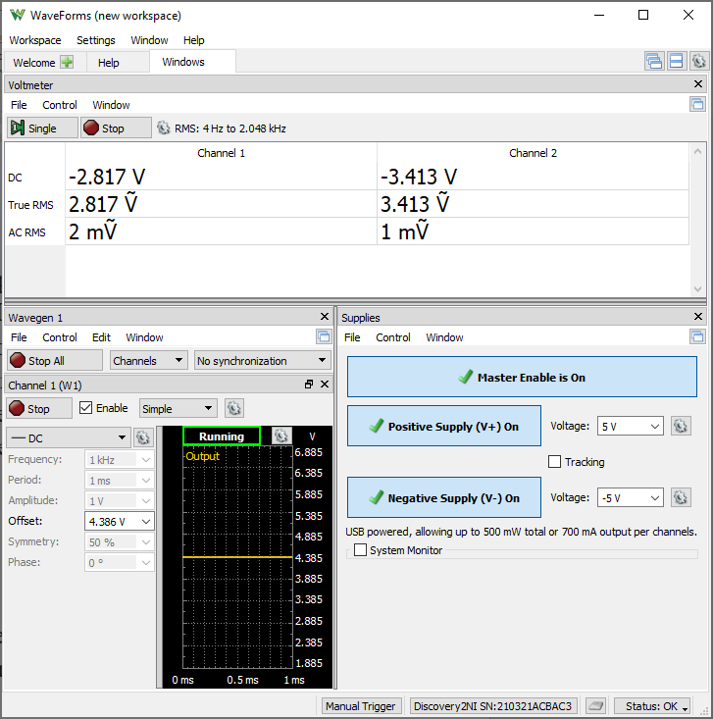
W1 Setting | VEE | Channel 1 (VB) | Channel 2 (VE) | IR1 | IR2 | IB1 = IR1 - IR2 | IE1 | IC2 = IC1 = IE1 - IB1
Volts | Volts | Volts | Volts | Amps | Amps | Amps | Amps | Amps
4.4018 | -5 | -3.085 | -3.715 | 4.0169270833E-05 | 3.3246527778E-05 | 6.9227430556E-06 | 0.0001594292804 | 0.00015250653734

Step 1.19
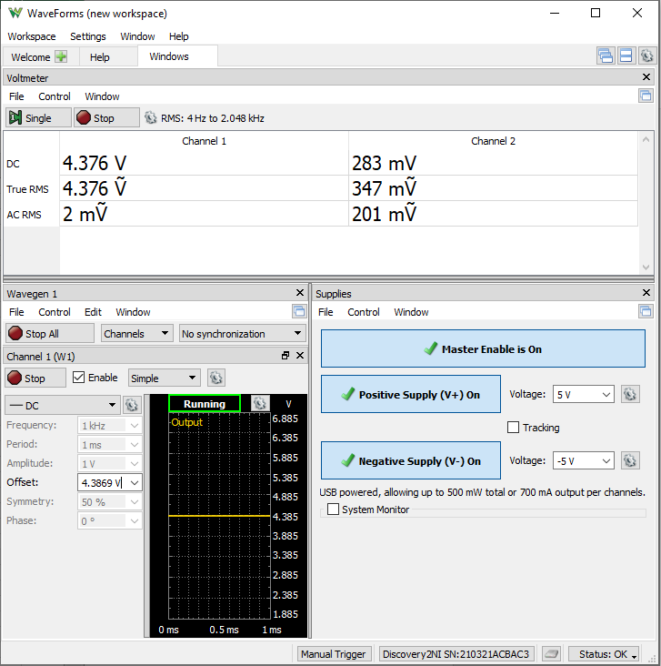
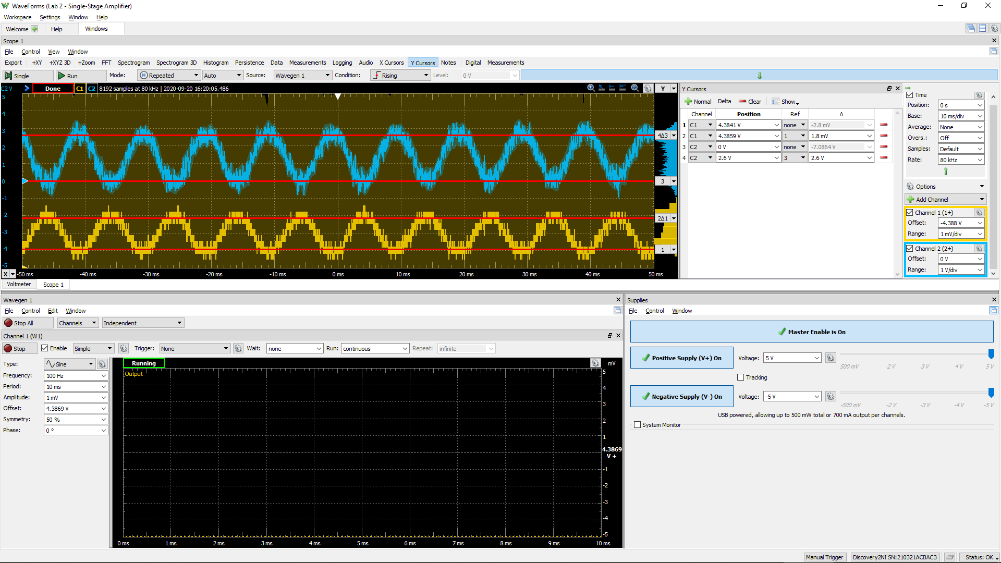
DC1 (V) | DC2 (V) | Gain Av (dB)
1.97E-03 | 2.8736 | 63.3

Step 2.2
Vo (V) | VE (V) | IC2 (A) | Vcm (V) | Vo (V)
4.9999806606 | -4.683492 | 2.32E-09 | -5 | 4.9999806606
4.9999806558 | -4.683490 | 2.32E-09 | -4.9 | 4.9999806558
4.999980612 | -4.683484 | 2.33E-09 | -4.8 | 4.999980612
4.9999799764 | -4.683463 | 2.41E-09 | -4.7 | 4.9999799764
 | Vo (V)
-5 | 4.9999806606
-4.9 | 4.9999806558
-4.8 | 4.999980612
-4.7 | 4.9999799764
-4.6 | 4.9999717052
-4.5 | 4.9998651237
-4.4 | 4.998584399
-4.3 | 4.9888119494
-4.2 | 4.9610400047
-4.1 | 4.9210152219
-4 | 4.8750960459
-3.9 | 4.8260456253
-3.8 | 4.7752329696
-3.7 | 4.7232252425
-3.6 | 4.6705773587
-3.5 | 4.617639228
-3.4 | 4.5647100723
-3.3 | 4.5121125237
-3.2 | 4.4602502703
-3.1 | 4.4097075925
-3 | 4.3614513881
-2.9 | 4.3172819571
-2.8 | 4.2808133212
-2.7 | 4.259308932
-2.6 | 4.2515739759
-2.5 | 4.2503499867
-2.4 | 4.2501355622
-2.3 | 4.2500998792
-2.2 | 4.2500910401
-2.1 | 4.2500858495
-2 | 4.2500811154
-1.9 | 4.2500766037
-1.8 | 4.2500719825
-1.7 | 4.2500674418
-1.6 | 4.2500629603
-1.5 | 4.2500584095
-1.4 | 4.2500538693
-1.3 | 4.2500493305
-1.2 | 4.2500447576
-1.1 | 4.2500402622
-1 | 4.250035709
-0.9 | 4.2500311673
-0.8 | 4.2500266694
-0.7 | 4.2500221241
-0.6 | 4.2500176421
-0.5 | 4.2500130852
-0.4 | 4.2500085588
-0.3 | 4.2500040533
-0.2 | 4.2499995147
-0.1 | 4.249994973
...
4.9999717052 | -4.683386 | 3.41E-09 | -4.6 | 4.9999717052
4.9998651237 | -4.682996 | 1.63E-08 | -4.5 | 4.9998651237
4.998584399 | -4.680083 | 1.72E-07 | -4.4 | 4.998584399
4.9888119494 | -4.661125 | 1.36E-06 | -4.3 | 4.9888119494
4.9610400047 | -4.609784 | 4.72E-06 | -4.2 | 4.9610400047
4.9210152219 | -4.537341 | 9.57E-06 | -4.1 | 4.9210152219
4.8750960459 | -4.455229 | 1.51E-05 | -4 | 4.8750960459
4.8260456253 | -4.368143 | 2.11E-05 | -3.9 | 4.8260456253
4.7752329696 | -4.278251 | 2.73E-05 | -3.8 | 4.7752329696
4.7232252425 | -4.186327 | 3.36E-05 | -3.7 | 4.7232252425
4.6705773587 | -4.093096 | 3.99E-05 | -3.6 | 4.6705773587
4.617639228 | -3.998909 | 4.63E-05 | -3.5 | 4.617639228
4.5647100723 | -3.903973 | 5.28E-05 | -3.4 | 4.5647100723
4.5121125237 | -3.808432 | 5.91E-05 | -3.3 | 4.5121125237
4.4602502703 | -3.712384 | 6.54E-05 | -3.2 | 4.4602502703
4.4097075925 | -3.615887 | 7.15E-05 | -3.1 | 4.4097075925
4.3614513881 | -3.518964 | 7.74E-05 | -3 | 4.3614513881
4.3172819571 | -3.421585 | 8.27E-05 | -2.9 | 4.3172819571
4.2808133212 | -3.323627 | 8.71E-05 | -2.8 | 4.2808133212
4.259308932 | -3.224780 | 8.98E-05 | -2.7 | 4.259308932
4.2515739759 | -3.125198 | 9.07E-05 | -2.6 | 4.2515739759
4.2503499867 | -3.025260 | 9.09E-05 | -2.5 | 4.2503499867
4.2501355622 | -2.925274 | 9.09E-05 | -2.4 | 4.2501355622
4.2500998792 | -2.825280 | 9.09E-05 | -2.3 | 4.2500998792
4.2500910401 | -2.725285 | 9.09E-05 | -2.2 | 4.2500910401
4.2500858495 | -2.625289 | 9.09E-05 | -2.1 | 4.2500858495
4.2500811154 | -2.525293 | 9.09E-05 | -2 | 4.2500811154
4.2500766037 | -2.425298 | 9.09E-05 | -1.9 | 4.2500766037
4.2500719825 | -2.325302 | 9.09E-05 | -1.8 | 4.2500719825
4.2500674418 | -2.225307 | 9.09E-05 | -1.7 | 4.2500674418
4.2500629603 | -2.125311 | 9.09E-05 | -1.6 | 4.2500629603
4.2500584095 | -2.025315 | 9.09E-05 | -1.5 | 4.2500584095
4.2500538693 | -1.925319 | 9.09E-05 | -1.4 | 4.2500538693
4.2500493305 | -1.825324 | 9.09E-05 | -1.3 | 4.2500493305
4.2500447576 | -1.725328 | 9.09E-05 | -1.2 | 4.2500447576
4.2500402622 | -1.625333 | 9.09E-05 | -1.1 | 4.2500402622
4.250035709 | -1.525337 | 9.09E-05 | -1 | 4.250035709
4.2500311673 | -1.425341 | 9.09E-05 | -0.9 | 4.2500311673
4.2500266694 | -1.325346 | 9.09E-05 | -0.8 | 4.2500266694
4.2500221241 | -1.225350 | 9.09E-05 | -0.7 | 4.2500221241
4.2500176421 | -1.125354 | 9.09E-05 | -0.6 | 4.2500176421
4.2500130852 | -1.025359 | 9.09E-05 | -0.5 | 4.2500130852
4.2500085588 | -0.925363 | 9.09E-05 | -0.4 | 4.2500085588
4.2500040533 | -0.825367 | 9.09E-05 | -0.3 | 4.2500040533
4.2499995147 | -0.725372 | 9.09E-05 | -0.2 | 4.2499995147
4.249994973 | -0.625376 | 9.09E-05 | -0.1 | 4.249994973
4.2499904722 | -0.525381 | 9.09E-05 | 0 | 4.2499904722
4.2499859442 | -0.425385 | 9.09E-05 | 0.1 | 4.2499859442
4.2499814225 | -0.325389 | 9.09E-05 | 0.2 | 4.2499814225
4.2499769053 | -0.225394 | 9.09E-05 | 0.3 | 4.2499769053
4.2499723797 | -0.125398 | 9.09E-05 | 0.4 | 4.2499723797
4.2499678685 | -0.025402 | 9.09E-05 | 0.5 | 4.2499678685
4.2499633618 | 0.074593 | 9.09E-05 | 0.6 | 4.2499633618
4.2499588488 | 0.174589 | 9.09E-05 | 0.7 | 4.2499588488
4.2499543252 | 0.274585 | 9.09E-05 | 0.8 | 4.2499543252
4.2499498411 | 0.374580 | 9.09E-05 | 0.9 | 4.2499498411
4.2499453208 | 0.474576 | 9.09E-05 | 1 | 4.2499453208
4.2499408031 | 0.574572 | 9.09E-05 | 1.1 | 4.2499408031
4.2499362617 | 0.674567 | 9.09E-05 | 1.2 | 4.2499362617
4.2499317753 | 0.774563 | 9.09E-05 | 1.3 | 4.2499317753
4.2499272693 | 0.874558 | 9.09E-05 | 1.4 | 4.2499272693
4.2499227634 | 0.974554 | 9.09E-05 | 1.5 | 4.2499227634
4.2499182634 | 1.074550 | 9.09E-05 | 1.6 | 4.2499182634
4.2499137372 | 1.174545 | 9.09E-05 | 1.7 | 4.2499137372
4.2499092184 | 1.274541 | 9.09E-05 | 1.8 | 4.2499092184
4.2499047679 | 1.374537 | 9.09E-05 | 1.9 | 4.2499047679
4.2499002412 | 1.474532 | 9.09E-05 | 2 | 4.2499002412
4.2498957005 | 1.574528 | 9.09E-05 | 2.1 | 4.2498957005
4.249891246 | 1.674523 | 9.09E-05 | 2.2 | 4.249891246
4.2498867535 | 1.774519 | 9.09E-05 | 2.3 | 4.2498867535
4.2498822927 | 1.874515 | 9.09E-05 | 2.4 | 4.2498822927
4.2498777588 | 1.974510 | 9.09E-05 | 2.5 | 4.2498777588
4.2498732479 | 2.074506 | 9.09E-05 | 2.6 | 4.2498732479
4.2498687795 | 2.174502 | 9.09E-05 | 2.7 | 4.2498687795
4.2498642889 | 2.274497 | 9.09E-05 | 2.8 | 4.2498642889
4.2498597377 | 2.374493 | 9.09E-05 | 2.9 | 4.2498597377
4.2498553287 | 2.474488 | 9.09E-05 | 3 | 4.2498553287
4.2498507758 | 2.574484 | 9.09E-05 | 3.1 | 4.2498507758
4.2498463077 | 2.674480 | 9.09E-05 | 3.2 | 4.2498463077
4.2498418276 | 2.774475 | 9.09E-05 | 3.3 | 4.2498418276
4.2498373489 | 2.874471 | 9.09E-05 | 3.4 | 4.2498373489
4.2498328415 | 2.974467 | 9.09E-05 | 3.5 | 4.2498328415
4.2498283727 | 3.074462 | 9.09E-05 | 3.6 | 4.2498283727
4.2498238836 | 3.174458 | 9.09E-05 | 3.7 | 4.2498238836
4.2498194283 | 3.274454 | 9.09E-05 | 3.8 | 4.2498194283
4.2498150268 | 3.374449 | 9.09E-05 | 3.9 | 4.2498150268
4.2498105671 | 3.474445 | 9.09E-05 | 4 | 4.2498105671
4.2498069531 | 3.574440 | 9.09E-05 | 4.1 | 4.2498069531
4.2498087592 | 3.674436 | 9.09E-05 | 4.2 | 4.2498087592
4.2498478104 | 3.774431 | 9.09E-05 | 4.3 | 4.2498478104
4.2501457534 | 3.874427 | 9.09E-05 | 4.4 | 4.2501457534
4.25216149 | 3.974420 | 9.06E-05 | 4.5 | 4.25216149
4.2631834489 | 4.074405 | 8.93E-05 | 4.6 | 4.2631834489
4.2976311678 | 4.174371 | 8.51E-05 | 4.7 | 4.2976311678
4.3563407902 | 4.274320 | 7.80E-05 | 4.8 | 4.3563407902
4.4295098931 | 4.374259 | 6.91E-05 | 4.9 | 4.4295098931
4.5103521846 | 4.474193 | 5.94E-05 | 5 | 4.5103521846

Step 2.7
Finding Vcm,max
W1 Setting | Channel 1 (VE) | Channel 2 (Vo) | IC2 = (5 V - Vo)/8.25 kohm
Volts | Volts | Volts | Amps
4 | 3.4244 | 4.2 | 9.70E-05
4.1 | 3.527 | 4.2 | 9.70E-05
4.2 | 3.6238 | 4.1996 | 9.70E-05
4.3 | 3.7222 | 4.1994 | 9.70E-05
4.4 | 3.823 | 4.1974 | 9.73E-05
4.5 | 3.924 | 4.1982 | 9.72E-05
4.6 | 4.0288 | 4.205 | 9.64E-05
4.7 | 4.123 | 4.244 | 9.16E-05
4.8 | 4.223 | 4.3098 | 8.37E-05
4.9 | 4.324 | 4.3862 | 7.44E-05
5 | 4.4238 | 4.474 | 6.38E-05

Step 2.8
Finding Vcm,min
W1 Setting | Channel 1 (VE) | Channel 2 (Vo) | IC2 = (5 V - Vo)/8.25 kohm
Volts | Volts | Volts | Amps
-2 | -2.5726 | 4.225 | 9.39E-05
-2.1 | -2.674 | 4.2248 | 9.40E-05
-2.2 | -2.7744 | 4.2252 | 9.39E-05
-2.3 | -2.8768 | 4.2258 | 9.38E-05
-2.4 | -2.9768 | 4.226 | 9.38E-05
-2.5 | -3.0732 | 4.226 | 9.38E-05
-2.6 | -3.1754 | 4.2282 | 9.36E-05
-2.7 | -3.2738 | 4.2406 | 9.20E-05
-2.8 | -3.3742 | 4.2774 | 8.76E-05
-2.9 | -3.4678 | 4.3222 | 8.22E-05
-3 | -3.567 | 4.377 | 7.55E-05

Step 3.2
Simulated IC vs. Vid Characteristics
V1 | IC1 | IC2
Volts | Amps | Amps
-2.50E-01 | 9.10E-07 | 5.40E-04
-2.49E-01 | 9.33E-07 | 5.40E-04
-2.48E-01 | 9.57E-07 | 5.40E-04
-2.47E-01 | 9.82E-07 | 5.40E-04
-2.46E-01 | 1.01E-06 | 5.40E-04
-2.45E-01 | 1.03E-06 | 5.40E-04
-2.44E-01 | 1.06E-06 | 5.40E-04
-2.43E-01 | 1.09E-06 | 5.40E-04
-2.42E-01 | 1.12E-06 | 5.40E-04
-2.41E-01 | 1.14E-06 | 5.40E-04
-2.40E-01 | 1.17E-06 | 5.40E-04
-2.39E-01 | 1.20E-06 | 5.40E-04
-2.38E-01 | 1.24E-06 | 5.40E-04
-2.37E-01 | 1.27E-06 | 5.40E-04
-2.36E-01 | 1.30E-06 | 5.40E-04
-2.35E-01 | 1.33E-06 | 5.40E-04
-2.34E-01 | 1.37E-06 | 5.40E-04
-2.33E-01 | 1.40E-06 | 5.40E-04
-2.32E-01 | 1.44E-06 | 5.40E-04
-2.31E-01 | 1.48E-06 | 5.40E-04
-2.30E-01 | 1.52E-06 | 5.40E-04
-2.29E-01 | 1.56E-06 | 5.39E-04
-2.28E-01 | 1.60E-06 | 5.39E-04
-2.27E-01 | 1.64E-06 | 5.39E-04
-2.26E-01 | 1.68E-06 | 5.39E-04
-2.25E-01 | 1.72E-06 | 5.39E-04
-2.24E-01 | 1.77E-06 | 5.39E-04
-2.23E-01 | 1.81E-06 | 5.39E-04
-2.22E-01 | 1.86E-06 | 5.39E-04
-2.21E-01 | 1.91E-06 | 5.39E-04
-2.20E-01 | 1.96E-06 | 5.39E-04
-2.19E-01 | 2.01E-06 | 5.39E-04
-2.18E-01 | 2.06E-06 | 5.39E-04
-2.17E-01 | 2.11E-06 | 5.39E-04
-2.16E-01 | 2.17E-06 | 5.39E-04
-2.15E-01 | 2.22E-06 | 5.39E-04
-2.14E-01 | 2.28E-06 | 5.39E-04
-2.13E-01 | 2.34E-06 | 5.39E-04
-2.12E-01 | 2.40E-06 | 5.39E-04
-2.11E-01 | 2.46E-06 | 5.39E-04
-2.10E-01 | 2.53E-06 | 5.38E-04
-2.09E-01 | 2.59E-06 | 5.38E-04
-2.08E-01 | 2.66E-06 | 5.38E-04
-2.07E-01 | 2.73E-06 | 5.38E-04
-2.06E-01 | 2.80E-06 | 5.38E-04
-2.05E-01 | 2.87E-06 | 5.38E-04
-2.04E-01 | 2.94E-06 | 5.38E-04
-2.03E-01 | 3.02E-06 | 5.38E-04
-2.02E-01 | 3.10E-06 | 5.38E-04
-2.01E-01 | 3.18E-06 | 5.38E-04
-2.00E-01 | 3.26E-06 | 5.38E-04
-1.99E-01 | 3.34E-06 | 5.38E-04
-1.98E-01 | 3.43E-06 | 5.38E-04
-1.97E-01 | 3.52E-06 | 5.37E-04
-1.96E-01 | 3.61E-06 | 5.37E-04
-1.95E-01 | 3.70E-06 | 5.37E-04
-1.94E-01 | 3.80E-06 | 5.37E-04
-1.93E-01 | 3.90E-06 | 5.37E-04
-1.92E-01 | 4.00E-06 | 5.37E-04
-1.91E-01 | 4.10E-06 | 5.37E-04
-1.90E-01 | 4.21E-06 | 5.37E-04
-1.89E-01 | 4.31E-06 | 5.37E-04
-1.88E-01 | 4.42E-06 | 5.37E-04
-1.87E-01 | 4.54E-06 | 5.36E-04
-1.86E-01 | 4.66E-06 | 5.36E-04
-1.85E-01 | 4.78E-06 | 5.36E-04
-1.84E-01 | 4.90E-06 | 5.36E-04
-1.83E-01 | 5.02E-06 | 5.36E-04
-1.82E-01 | 5.15E-06 | 5.36E-04
-1.81E-01 | 5.29E-06 | 5.36E-04
-1.80E-01 | 5.42E-06 | 5.36E-04
-1.79E-01 | 5.56E-06 | 5.35E-04
-1.78E-01 | 5.70E-06 | 5.35E-04
-1.77E-01 | 5.85E-06 | 5.35E-04
-1.76E-01 | 6.00E-06 | 5.35E-04
-1.75E-01 | 6.15E-06 | 5.35E-04
-1.74E-01 | 6.31E-06 | 5.35E-04
-1.73E-01 | 6.47E-06 | 5.34E-04
-1.72E-01 | 6.64E-06 | 5.34E-04
-1.71E-01 | 6.81E-06 | 5.34E-04
-1.70E-01 | 6.99E-06 | 5.34E-04
-1.69E-01 | 7.16E-06 | 5.34E-04
-1.68E-01 | 7.35E-06 | 5.34E-04
-1.67E-01 | 7.54E-06 | 5.33E-04
-1.66E-01 | 7.73E-06 | 5.33E-04
-1.65E-01 | 7.93E-06 | 5.33E-04
-1.64E-01 | 8.13E-06 | 5.33E-04
-1.63E-01 | 8.34E-06 | 5.33E-04
-1.62E-01 | 8.55E-06 | 5.32E-04
-1.61E-01 | 8.77E-06 | 5.32E-04
-1.60E-01 | 8.99E-06 | 5.32E-04
-1.59E-01 | 9.22E-06 | 5.32E-04
-1.58E-01 | 9.46E-06 | 5.31E-04
-1.57E-01 | 9.70E-06 | 5.31E-04
-1.56E-01 | 9.95E-06 | 5.31E-04
-1.55E-01 | 1.02E-05 | 5.31E-04
-1.54E-01 | 1.05E-05 | 5.30E-04
-1.53E-01 | 1.07E-05 | 5.30E-04
-1.52E-01 | 1.10E-05 | 5.30E-04
-1.51E-01 | 1.13E-05 | 5.30E-04
-1.50E-01 | 1.16E-05 | 5.29E-04
-1.49E-01 | 1.19E-05 | 5.29E-04
-1.48E-01 | 1.22E-05 | 5.29E-04
-1.47E-01 | 1.25E-05 | 5.28E-04
-1.46E-01 | 1.28E-05 | 5.28E-04
-1.45E-01 | 1.31E-05 | 5.28E-04
-1.44E-01 | 1.34E-05 | 5.27E-04
-1.43E-01 | 1.38E-05 | 5.27E-04
-1.42E-01 | 1.41E-05 | 5.27E-04
-1.41E-01 | 1.45E-05 | 5.26E-04
-1.40E-01 | 1.48E-05 | 5.26E-04
-1.39E-01 | 1.52E-05 | 5.26E-04
-1.38E-01 | 1.56E-05 | 5.25E-04
-1.37E-01 | 1.60E-05 | 5.25E-04
-1.36E-01 | 1.64E-05 | 5.24E-04
-1.35E-01 | 1.68E-05 | 5.24E-04
-1.34E-01 | 1.72E-05 | 5.24E-04
-1.33E-01 | 1.77E-05 | 5.23E-04
-1.32E-01 | 1.81E-05 | 5.23E-04
-1.31E-01 | 1.86E-05 | 5.22E-04
-1.30E-01 | 1.90E-05 | 5.22E-04
-1.29E-01 | 1.95E-05 | 5.21E-04
-1.28E-01 | 2.00E-05 | 5.21E-04
-1.27E-01 | 2.05E-05 | 5.20E-04
-1.26E-01 | 2.10E-05 | 5.20E-04
-1.25E-01 | 2.15E-05 | 5.19E-04
-1.24E-01 | 2.21E-05 | 5.19E-04
-1.23E-01 | 2.26E-05 | 5.18E-04
-1.22E-01 | 2.32E-05 | 5.18E-04
-1.21E-01 | 2.37E-05 | 5.17E-04
-1.20E-01 | 2.43E-05 | 5.17E-04
-1.19E-01 | 2.49E-05 | 5.16E-04
-1.18E-01 | 2.56E-05 | 5.15E-04
-1.17E-01 | 2.62E-05 | 5.15E-04
-1.16E-01 | 2.68E-05 | 5.14E-04
-1.15E-01 | 2.75E-05 | 5.13E-04
-1.14E-01 | 2.82E-05 | 5.13E-04
-1.13E-01 | 2.89E-05 | 5.12E-04
-1.12E-01 | 2.96E-05 | 5.11E-04
-1.11E-01 | 3.03E-05 | 5.11E-04
-1.10E-01 | 3.10E-05 | 5.10E-04
-1.09E-01 | 3.18E-05 | 5.09E-04
-1.08E-01 | 3.26E-05 | 5.08E-04
-1.07E-01 | 3.33E-05 | 5.08E-04
-1.06E-01 | 3.42E-05 | 5.07E-04
-1.05E-01 | 3.50E-05 | 5.06E-04
-1.04E-01 | 3.58E-05 | 5.05E-04
-1.03E-01 | 3.67E-05 | 5.04E-04
-1.02E-01 | 3.76E-05 | 5.03E-04
-1.01E-01 | 3.85E-05 | 5.02E-04
-1.00E-01 | 3.94E-05 | 5.01E-04
-9.90E-02 | 4.04E-05 | 5.01E-04
-9.80E-02 | 4.13E-05 | 5.00E-04
-9.70E-02 | 4.23E-05 | 4.99E-04
-9.60E-02 | 4.33E-05 | 4.98E-04
-9.50E-02 | 4.43E-05 | 4.97E-04
-9.40E-02 | 4.54E-05 | 4.96E-04
-9.30E-02 | 4.65E-05 | 4.94E-04
-9.20E-02 | 4.76E-05 | 4.93E-04
-9.10E-02 | 4.87E-05 | 4.92E-04
-9.00E-02 | 4.98E-05 | 4.91E-04
-8.90E-02 | 5.10E-05 | 4.90E-04
-8.80E-02 | 5.22E-05 | 4.89E-04
-8.70E-02 | 5.34E-05 | 4.88E-04
-8.60E-02 | 5.47E-05 | 4.86E-04
-8.50E-02 | 5.59E-05 | 4.85E-04
-8.40E-02 | 5.72E-05 | 4.84E-04
-8.30E-02 | 5.85E-05 | 4.82E-04
-8.20E-02 | 5.99E-05 | 4.81E-04
-8.10E-02 | 6.13E-05 | 4.80E-04
-8.00E-02 | 6.27E-05 | 4.78E-04
-7.90E-02 | 6.41E-05 | 4.77E-04
-7.80E-02 | 6.56E-05 | 4.75E-04
-7.70E-02 | 6.70E-05 | 4.74E-04
-7.60E-02 | 6.86E-05 | 4.73E-04
-7.50E-02 | 7.01E-05 | 4.71E-04
-7.40E-02 | 7.17E-05 | 4.69E-04
-7.30E-02 | 7.33E-05 | 4.68E-04
-7.20E-02 | 7.49E-05 | 4.66E-04
-7.10E-02 | 7.66E-05 | 4.65E-04
-7.00E-02 | 7.83E-05 | 4.63E-04
-6.90E-02 | 8.00E-05 | 4.61E-04
-6.80E-02 | 8.17E-05 | 4.59E-04
-6.70E-02 | 8.35E-05 | 4.58E-04
-6.60E-02 | 8.53E-05 | 4.56E-04
-6.50E-02 | 8.72E-05 | 4.54E-04
-6.40E-02 | 8.91E-05 | 4.52E-04
-6.30E-02 | 9.10E-05 | 4.50E-04
-6.20E-02 | 9.29E-05 | 4.48E-04
-6.10E-02 | 9.49E-05 | 4.46E-04
-6.00E-02 | 9.69E-05 | 4.44E-04
-5.90E-02 | 9.90E-05 | 4.42E-04
-5.80E-02 | 1.01E-04 | 4.40E-04
-5.70E-02 | 1.03E-04 | 4.38E-04
-5.60E-02 | 1.05E-04 | 4.36E-04
-5.50E-02 | 1.07E-04 | 4.34E-04
-5.40E-02 | 1.10E-04 | 4.32E-04
-5.30E-02 | 1.12E-04 | 4.29E-04
-5.20E-02 | 1.14E-04 | 4.27E-04
-5.10E-02 | 1.17E-04 | 4.25E-04
-5.00E-02 | 1.19E-04 | 4.23E-04
-4.90E-02 | 1.21E-04 | 4.20E-04
-4.80E-02 | 1.24E-04 | 4.18E-04
-4.70E-02 | 1.26E-04 | 4.15E-04
-4.60E-02 | 1.29E-04 | 4.13E-04
-4.50E-02 | 1.31E-04 | 4.10E-04
-4.40E-02 | 1.34E-04 | 4.08E-04
-4.30E-02 | 1.36E-04 | 4.05E-04
-4.20E-02 | 1.39E-04 | 4.03E-04
-4.10E-02 | 1.42E-04 | 4.00E-04
-4.00E-02 | 1.44E-04 | 3.98E-04
-3.90E-02 | 1.47E-04 | 3.95E-04
-3.80E-02 | 1.50E-04 | 3.92E-04
-3.70E-02 | 1.52E-04 | 3.89E-04
-3.60E-02 | 1.55E-04 | 3.87E-04
-3.50E-02 | 1.58E-04 | 3.84E-04
-3.40E-02 | 1.61E-04 | 3.81E-04
-3.30E-02 | 1.64E-04 | 3.78E-04
-3.20E-02 | 1.67E-04 | 3.75E-04
-3.10E-02 | 1.70E-04 | 3.72E-04
-3.00E-02 | 1.73E-04 | 3.69E-04
-2.90E-02 | 1.76E-04 | 3.66E-04
-2.80E-02 | 1.79E-04 | 3.63E-04
-2.70E-02 | 1.82E-04 | 3.60E-04
-2.60E-02 | 1.85E-04 | 3.57E-04
-2.50E-02 | 1.88E-04 | 3.54E-04
-2.40E-02 | 1.91E-04 | 3.51E-04
-2.30E-02 | 1.94E-04 | 3.48E-04
-2.20E-02 | 1.98E-04 | 3.45E-04
-2.10E-02 | 2.01E-04 | 3.42E-04
-2.00E-02 | 2.04E-04 | 3.38E-04
-1.90E-02 | 2.07E-04 | 3.35E-04
-1.80E-02 | 2.10E-04 | 3.32E-04
-1.70E-02 | 2.14E-04 | 3.29E-04
-1.60E-02 | 2.17E-04 | 3.26E-04
-1.50E-02 | 2.20E-04 | 3.22E-04
-1.40E-02 | 2.24E-04 | 3.19E-04
-1.30E-02 | 2.27E-04 | 3.16E-04
-1.20E-02 | 2.30E-04 | 3.12E-04
-1.10E-02 | 2.34E-04 | 3.09E-04
-1.00E-02 | 2.37E-04 | 3.06E-04
-9.00E-03 | 2.41E-04 | 3.02E-04
-8.00E-03 | 2.44E-04 | 2.99E-04
-7.00E-03 | 2.48E-04 | 2.96E-04
-6.00E-03 | 2.51E-04 | 2.92E-04
-5.00E-03 | 2.54E-04 | 2.89E-04
-4.00E-03 | 2.58E-04 | 2.85E-04
-3.00E-03 | 2.61E-04 | 2.82E-04
-2.00E-03 | 2.65E-04 | 2.79E-04
-1.00E-03 | 2.68E-04 | 2.75E-04
2.15E-16 | 2.72E-04 | 2.72E-04
1.00E-03 | 2.75E-04 | 2.68E-04
2.00E-03 | 2.79E-04 | 2.65E-04
3.00E-03 | 2.82E-04 | 2.62E-04
4.00E-03 | 2.86E-04 | 2.58E-04
5.00E-03 | 2.89E-04 | 2.55E-04
6.00E-03 | 2.93E-04 | 2.51E-04
7.00E-03 | 2.96E-04 | 2.48E-04
8.00E-03 | 2.99E-04 | 2.45E-04
9.00E-03 | 3.03E-04 | 2.41E-04
1.00E-02 | 3.06E-04 | 2.38E-04
1.10E-02 | 3.10E-04 | 2.34E-04
1.20E-02 | 3.13E-04 | 2.31E-04
1.30E-02 | 3.17E-04 | 2.28E-04
1.40E-02 | 3.20E-04 | 2.24E-04
1.50E-02 | 3.23E-04 | 2.21E-04
1.60E-02 | 3.27E-04 | 2.18E-04
1.70E-02 | 3.30E-04 | 2.15E-04
1.80E-02 | 3.33E-04 | 2.11E-04
1.90E-02 | 3.37E-04 | 2.08E-04
2.00E-02 | 3.40E-04 | 2.05E-04
2.10E-02 | 3.43E-04 | 2.02E-04
2.20E-02 | 3.47E-04 | 1.98E-04
2.30E-02 | 3.50E-04 | 1.95E-04
2.40E-02 | 3.53E-04 | 1.92E-04
2.50E-02 | 3.56E-04 | 1.89E-04
2.60E-02 | 3.59E-04 | 1.86E-04
2.70E-02 | 3.63E-04 | 1.83E-04
2.80E-02 | 3.66E-04 | 1.80E-04
2.90E-02 | 3.69E-04 | 1.77E-04
3.00E-02 | 3.72E-04 | 1.74E-04
3.10E-02 | 3.75E-04 | 1.71E-04
3.20E-02 | 3.78E-04 | 1.68E-04
3.30E-02 | 3.81E-04 | 1.65E-04
3.40E-02 | 3.84E-04 | 1.62E-04
3.50E-02 | 3.87E-04 | 1.59E-04
3.60E-02 | 3.90E-04 | 1.57E-04
3.70E-02 | 3.93E-04 | 1.54E-04
3.80E-02 | 3.95E-04 | 1.51E-04
3.90E-02 | 3.98E-04 | 1.48E-04
4.00E-02 | 4.01E-04 | 1.46E-04
4.10E-02 | 4.04E-04 | 1.43E-04
4.20E-02 | 4.07E-04 | 1.40E-04
4.30E-02 | 4.09E-04 | 1.38E-04
4.40E-02 | 4.12E-04 | 1.35E-04
4.50E-02 | 4.15E-04 | 1.32E-04
4.60E-02 | 4.17E-04 | 1.30E-04
4.70E-02 | 4.20E-04 | 1.27E-04
4.80E-02 | 4.22E-04 | 1.25E-04
4.90E-02 | 4.25E-04 | 1.23E-04
5.00E-02 | 4.27E-04 | 1.20E-04
5.10E-02 | 4.30E-04 | 1.18E-04
5.20E-02 | 4.32E-04 | 1.16E-04
5.30E-02 | 4.35E-04 | 1.13E-04
5.40E-02 | 4.37E-04 | 1.11E-04
5.50E-02 | 4.39E-04 | 1.09E-04
5.60E-02 | 4.42E-04 | 1.07E-04
5.70E-02 | 4.44E-04 | 1.05E-04
5.80E-02 | 4.46E-04 | 1.02E-04
5.90E-02 | 4.48E-04 | 1.00E-04
6.00E-02 | 4.50E-04 | 9.83E-05
6.10E-02 | 4.52E-04 | 9.62E-05
6.20E-02 | 4.55E-04 | 9.43E-05
6.30E-02 | 4.57E-04 | 9.23E-05
6.40E-02 | 4.59E-04 | 9.04E-05
6.50E-02 | 4.61E-04 | 8.85E-05
6.60E-02 | 4.63E-04 | 8.66E-05
6.70E-02 | 4.65E-04 | 8.48E-05
6.80E-02 | 4.66E-04 | 8.30E-05
6.90E-02 | 4.68E-04 | 8.12E-05
7.00E-02 | 4.70E-04 | 7.95E-05
7.10E-02 | 4.72E-04 | 7.78E-05
7.20E-02 | 4.74E-04 | 7.61E-05
7.30E-02 | 4.76E-04 | 7.45E-05
7.40E-02 | 4.77E-04 | 7.29E-05
7.50E-02 | 4.79E-04 | 7.13E-05
7.60E-02 | 4.81E-04 | 6.97E-05
7.70E-02 | 4.82E-04 | 6.82E-05
7.80E-02 | 4.84E-04 | 6.67E-05
7.90E-02 | 4.85E-04 | 6.53E-05
8.00E-02 | 4.87E-04 | 6.38E-05
8.10E-02 | 4.88E-04 | 6.24E-05
8.20E-02 | 4.90E-04 | 6.10E-05
8.30E-02 | 4.91E-04 | 5.97E-05
8.40E-02 | 4.93E-04 | 5.83E-05
8.50E-02 | 4.94E-04 | 5.70E-05
8.60E-02 | 4.96E-04 | 5.57E-05
8.70E-02 | 4.97E-04 | 5.45E-05
8.80E-02 | 4.98E-04 | 5.33E-05
8.90E-02 | 5.00E-04 | 5.21E-05
9.00E-02 | 5.01E-04 | 5.09E-05
9.10E-02 | 5.02E-04 | 4.97E-05
9.20E-02 | 5.04E-04 | 4.86E-05
9.30E-02 | 5.05E-04 | 4.75E-05
9.40E-02 | 5.06E-04 | 4.64E-05
9.50E-02 | 5.07E-04 | 4.53E-05
9.60E-02 | 5.08E-04 | 4.43E-05
9.70E-02 | 5.09E-04 | 4.33E-05
9.80E-02 | 5.11E-04 | 4.23E-05
9.90E-02 | 5.12E-04 | 4.13E-05
1.00E-01 | 5.13E-04 | 4.03E-05
1.01E-01 | 5.14E-04 | 3.94E-05
1.02E-01 | 5.15E-04 | 3.85E-05
1.03E-01 | 5.16E-04 | 3.76E-05
1.04E-01 | 5.17E-04 | 3.67E-05
1.05E-01 | 5.18E-04 | 3.58E-05
1.06E-01 | 5.19E-04 | 3.50E-05
1.07E-01 | 5.20E-04 | 3.42E-05
1.08E-01 | 5.21E-04 | 3.34E-05
1.09E-01 | 5.22E-04 | 3.26E-05
1.10E-01 | 5.22E-04 | 3.18E-05
1.11E-01 | 5.23E-04 | 3.11E-05
1.12E-01 | 5.24E-04 | 3.03E-05
1.13E-01 | 5.25E-04 | 2.96E-05
1.14E-01 | 5.26E-04 | 2.89E-05
1.15E-01 | 5.27E-04 | 2.82E-05
1.16E-01 | 5.27E-04 | 2.75E-05
1.17E-01 | 5.28E-04 | 2.69E-05
1.18E-01 | 5.29E-04 | 2.62E-05
1.19E-01 | 5.30E-04 | 2.56E-05
1.20E-01 | 5.31E-04 | 2.50E-05
1.21E-01 | 5.31E-04 | 2.44E-05
1.22E-01 | 5.32E-04 | 2.38E-05
1.23E-01 | 5.33E-04 | 2.33E-05
1.24E-01 | 5.33E-04 | 2.27E-05
1.25E-01 | 5.34E-04 | 2.21E-05
1.26E-01 | 5.35E-04 | 2.16E-05
1.27E-01 | 5.35E-04 | 2.11E-05
1.28E-01 | 5.36E-04 | 2.06E-05
1.29E-01 | 5.37E-04 | 2.01E-05
1.30E-01 | 5.37E-04 | 1.96E-05
1.31E-01 | 5.38E-04 | 1.91E-05
1.32E-01 | 5.38E-04 | 1.87E-05
1.33E-01 | 5.39E-04 | 1.82E-05
1.34E-01 | 5.39E-04 | 1.78E-05
1.35E-01 | 5.40E-04 | 1.73E-05
1.36E-01 | 5.41E-04 | 1.69E-05
1.37E-01 | 5.41E-04 | 1.65E-05
1.38E-01 | 5.42E-04 | 1.61E-05
1.39E-01 | 5.42E-04 | 1.57E-05
1.40E-01 | 5.43E-04 | 1.53E-05
1.41E-01 | 5.43E-04 | 1.50E-05
1.42E-01 | 5.44E-04 | 1.46E-05
1.43E-01 | 5.44E-04 | 1.42E-05
1.44E-01 | 5.45E-04 | 1.39E-05
1.45E-01 | 5.45E-04 | 1.35E-05
1.46E-01 | 5.45E-04 | 1.32E-05
1.47E-01 | 5.46E-04 | 1.29E-05
1.48E-01 | 5.46E-04 | 1.26E-05
1.49E-01 | 5.47E-04 | 1.23E-05
1.50E-01 | 5.47E-04 | 1.20E-05
1.51E-01 | 5.48E-04 | 1.17E-05
1.52E-01 | 5.48E-04 | 1.14E-05
1.53E-01 | 5.48E-04 | 1.11E-05
1.54E-01 | 5.49E-04 | 1.08E-05
1.55E-01 | 5.49E-04 | 1.06E-05
1.56E-01 | 5.50E-04 | 1.03E-05
1.57E-01 | 5.50E-04 | 1.01E-05
1.58E-01 | 5.50E-04 | 9.80E-06
1.59E-01 | 5.51E-04 | 9.56E-06
1.60E-01 | 5.51E-04 | 9.33E-06
1.61E-01 | 5.51E-04 | 9.10E-06
1.62E-01 | 5.52E-04 | 8.87E-06
1.63E-01 | 5.52E-04 | 8.65E-06
1.64E-01 | 5.52E-04 | 8.44E-06
1.65E-01 | 5.53E-04 | 8.23E-06
1.66E-01 | 5.53E-04 | 8.03E-06
1.67E-01 | 5.53E-04 | 7.83E-06
1.68E-01 | 5.54E-04 | 7.63E-06
1.69E-01 | 5.54E-04 | 7.45E-06
1.70E-01 | 5.54E-04 | 7.26E-06
1.71E-01 | 5.55E-04 | 7.08E-06
1.72E-01 | 5.55E-04 | 6.91E-06
1.73E-01 | 5.55E-04 | 6.73E-06
1.74E-01 | 5.56E-04 | 6.57E-06
1.75E-01 | 5.56E-04 | 6.40E-06
1.76E-01 | 5.56E-04 | 6.25E-06
1.77E-01 | 5.56E-04 | 6.09E-06
1.78E-01 | 5.57E-04 | 5.94E-06
1.79E-01 | 5.57E-04 | 5.79E-06
1.80E-01 | 5.57E-04 | 5.65E-06
1.81E-01 | 5.58E-04 | 5.51E-06
1.82E-01 | 5.58E-04 | 5.37E-06
1.83E-01 | 5.58E-04 | 5.24E-06
1.84E-01 | 5.58E-04 | 5.11E-06
1.85E-01 | 5.59E-04 | 4.98E-06
1.86E-01 | 5.59E-04 | 4.86E-06
1.87E-01 | 5.59E-04 | 4.74E-06
1.88E-01 | 5.59E-04 | 4.62E-06
1.89E-01 | 5.60E-04 | 4.50E-06
1.90E-01 | 5.60E-04 | 4.39E-06
1.91E-01 | 5.60E-04 | 4.28E-06
1.92E-01 | 5.60E-04 | 4.17E-06
1.93E-01 | 5.60E-04 | 4.07E-06
1.94E-01 | 5.61E-04 | 3.97E-06
1.95E-01 | 5.61E-04 | 3.87E-06
1.96E-01 | 5.61E-04 | 3.77E-06
1.97E-01 | 5.61E-04 | 3.68E-06
1.98E-01 | 5.62E-04 | 3.59E-06
1.99E-01 | 5.62E-04 | 3.50E-06
2.00E-01 | 5.62E-04 | 3.41E-06
2.01E-01 | 5.62E-04 | 3.33E-06
2.02E-01 | 5.62E-04 | 3.24E-06
2.03E-01 | 5.63E-04 | 3.16E-06
2.04E-01 | 5.63E-04 | 3.08E-06
2.05E-01 | 5.63E-04 | 3.01E-06
2.06E-01 | 5.63E-04 | 2.93E-06
2.07E-01 | 5.63E-04 | 2.86E-06
2.08E-01 | 5.64E-04 | 2.79E-06
2.09E-01 | 5.64E-04 | 2.72E-06
2.10E-01 | 5.64E-04 | 2.65E-06
2.11E-01 | 5.64E-04 | 2.58E-06
2.12E-01 | 5.64E-04 | 2.52E-06
2.13E-01 | 5.65E-04 | 2.46E-06
2.14E-01 | 5.65E-04 | 2.39E-06
2.15E-01 | 5.65E-04 | 2.33E-06
2.16E-01 | 5.65E-04 | 2.28E-06
2.17E-01 | 5.65E-04 | 2.22E-06
2.18E-01 | 5.65E-04 | 2.16E-06
2.19E-01 | 5.66E-04 | 2.11E-06
2.20E-01 | 5.66E-04 | 2.06E-06
2.21E-01 | 5.66E-04 | 2.01E-06
2.22E-01 | 5.66E-04 | 1.96E-06
2.23E-01 | 5.66E-04 | 1.91E-06
2.24E-01 | 5.66E-04 | 1.86E-06
2.25E-01 | 5.67E-04 | 1.81E-06
2.26E-01 | 5.67E-04 | 1.77E-06
2.27E-01 | 5.67E-04 | 1.72E-06
2.28E-01 | 5.67E-04 | 1.68E-06
2.29E-01 | 5.67E-04 | 1.64E-06
2.30E-01 | 5.67E-04 | 1.60E-06
2.31E-01 | 5.68E-04 | 1.56E-06
2.32E-01 | 5.68E-04 | 1.52E-06
2.33E-01 | 5.68E-04 | 1.48E-06
2.34E-01 | 5.68E-04 | 1.44E-06
2.35E-01 | 5.68E-04 | 1.41E-06
2.36E-01 | 5.68E-04 | 1.37E-06
2.37E-01 | 5.69E-04 | 1.34E-06
2.38E-01 | 5.69E-04 | 1.30E-06
2.39E-01 | 5.69E-04 | 1.27E-06
2.40E-01 | 5.69E-04 | 1.24E-06
2.41E-01 | 5.69E-04 | 1.21E-06
2.42E-01 | 5.69E-04 | 1.18E-06
2.43E-01 | 5.70E-04 | 1.15E-06
2.44E-01 | 5.70E-04 | 1.12E-06
2.45E-01 | 5.70E-04 | 1.09E-06
2.46E-01 | 5.70E-04 | 1.06E-06
2.47E-01 | 5.70E-04 | 1.04E-06
2.48E-01 | 5.70E-04 | 1.01E-06
2.49E-01 | 5.70E-04 | 9.87E-07
2.50E-01 | 5.71E-04 | 9.62E-07

Step 3.5
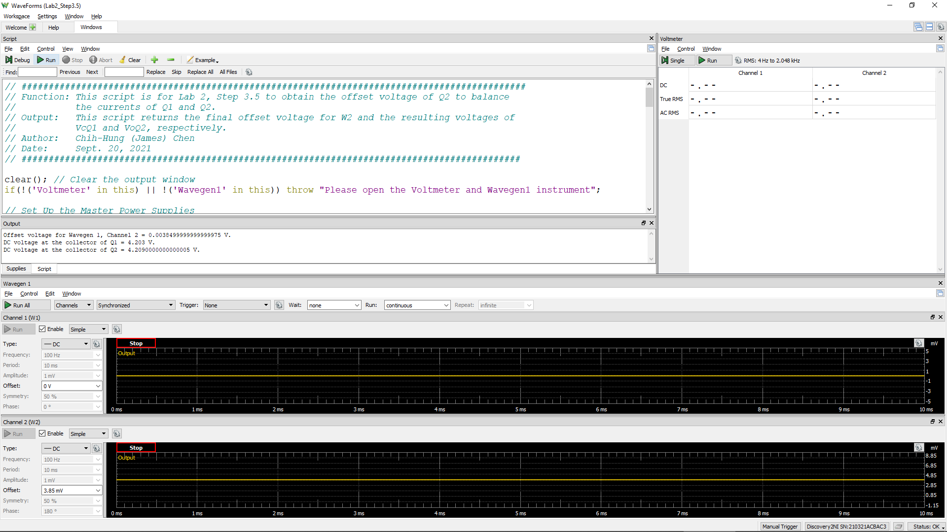
W2Offset | VcQ1 | VoQ2 (= VC2)
Volt | Volt | Volt
-3.45E-03 | 4.627 | 4.628

Step 3.6
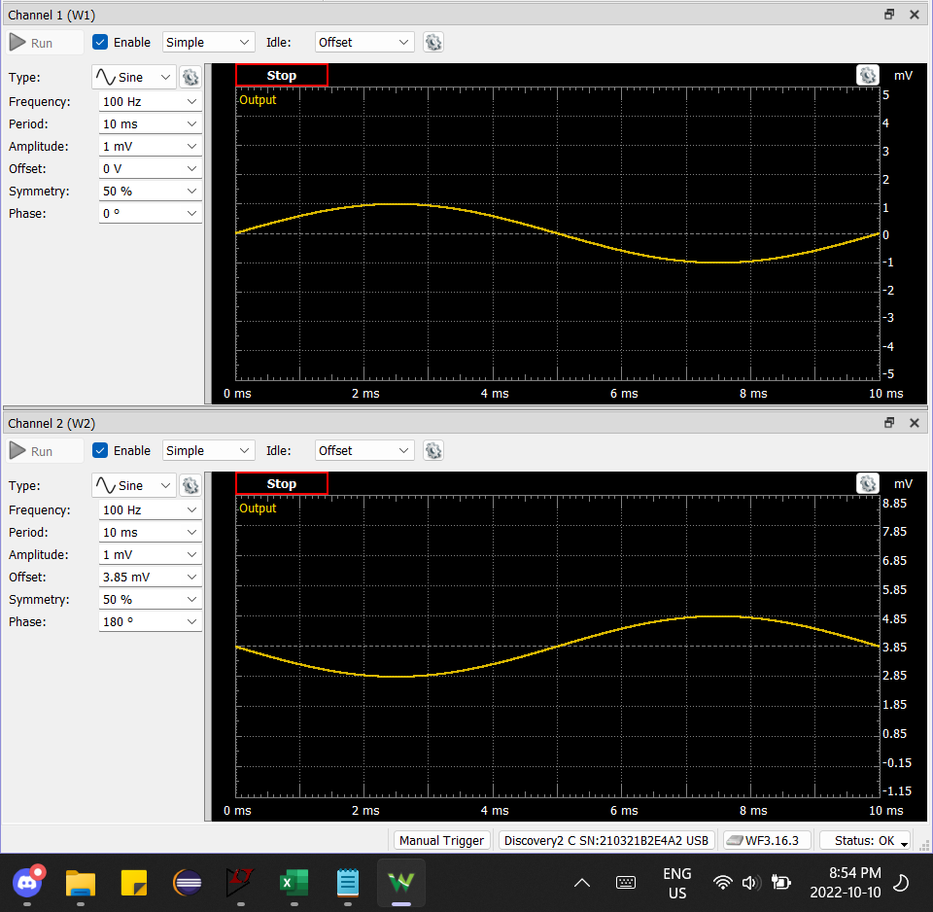
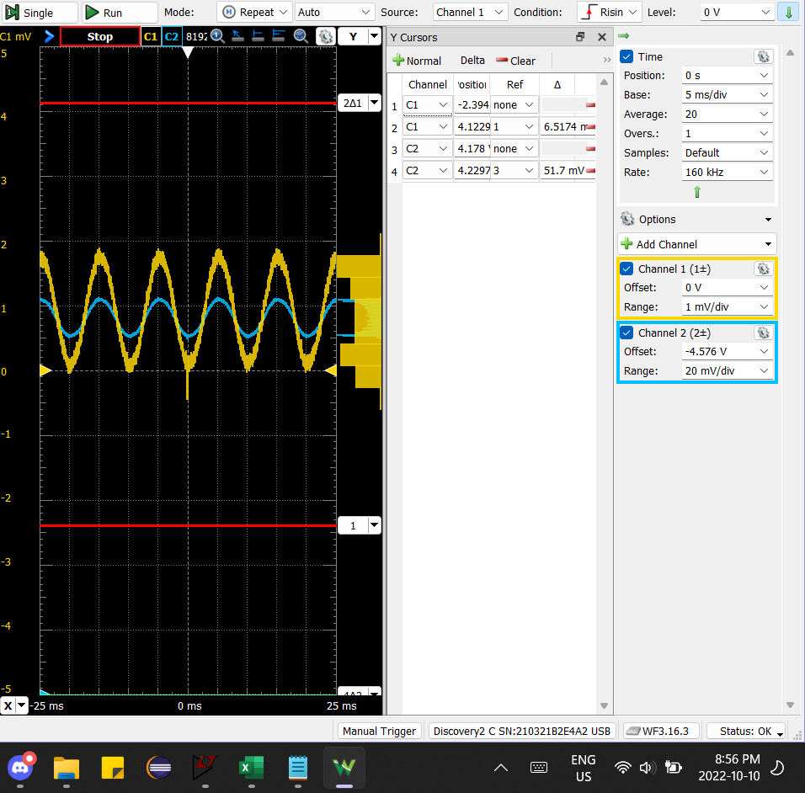
DC1 (V) = Vid | DC2 (V) = Vo(Peak2Peak) | Differential Voltage Gain Av (dB)
6.52E-03 | 5.17E-02 | 12.0

